Question2
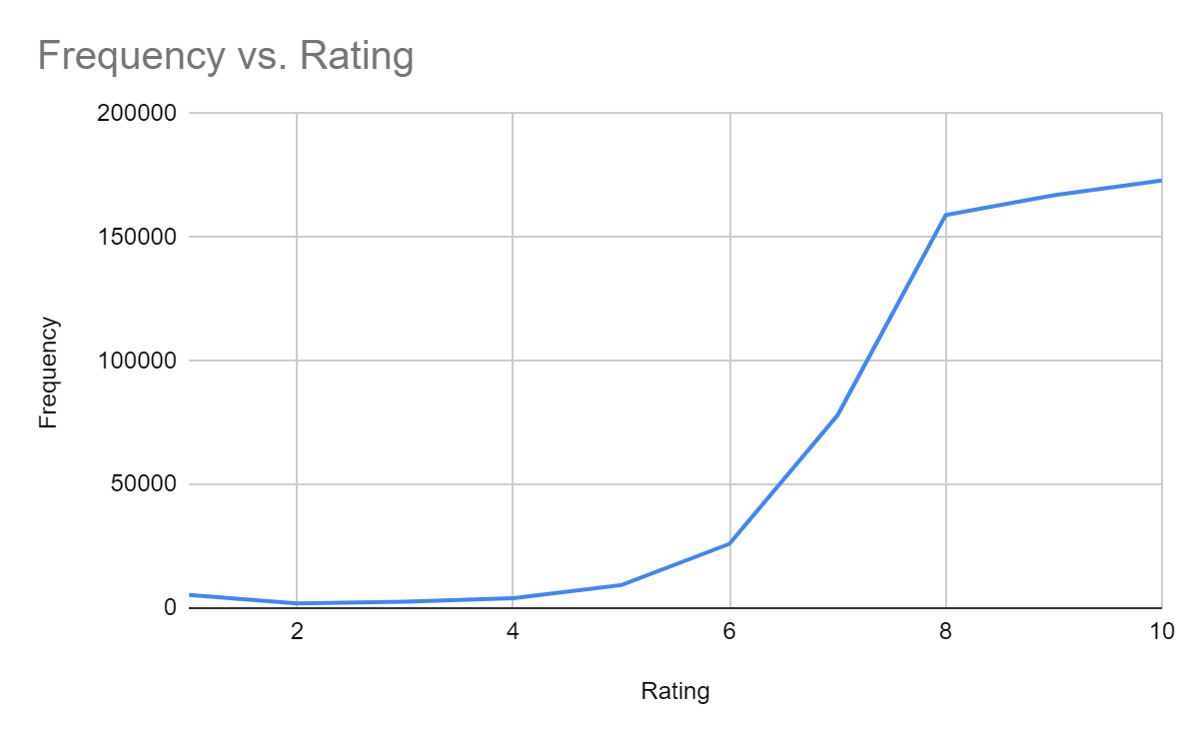
Q.2 Review the frequency distribution of the ratings and comment on whether Arithmatic Mean or Median would be more suitable measure for an overall rating. Outline your reason

Ans: The mean is typically better when the data follow a symmetric distribution. When the data are skewed, the median is more useful because the mean will be distorted by outliers. As our Data is not symmetric,Median would better represent the data.Median is 9 and mean is 8.44.9 is a better representation of the data.

